Sheet1
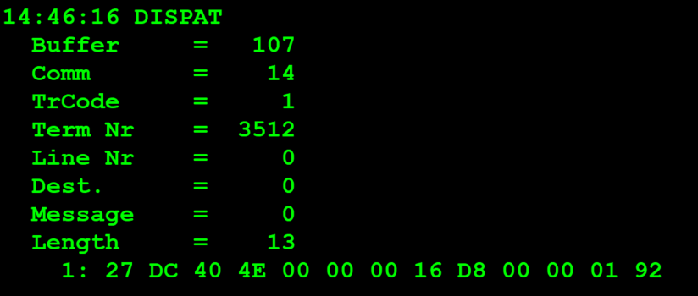
TestByte |  | Size | Field Contents |  | Hexa | Bin | Dec
Start | End
1 | 1 | 1 | Control | Sequence | 27 | Control=0010 Sequence=0000 | 2 0 | Control -> x10 - Application Message Sequence -> 0
2 | 2 | 1 | Type = 13 | Subtype = 12 | DC | Type=1101 Subtype=1100 | Type=13 Subtype=12 | Type = 13 Subtype = 12
3 | 4 | 2 | Checksum |  | 40 4E
5 | 5 | 1 | Statistics[1] |  | 00 |  | 0
6 | 7 | 2 | Option Flags |  | 00 00 |  | 0
8 | 8+n-1 | n | Option Data[2] |  | N | N | N
8+n | 9+n | 2 | First 4 digits of order[3] |  | 16 D8 |  | 5848
10+n | 13+n | 4 | Last 9 digits of order |  | 00 00 01 92 |  | 402

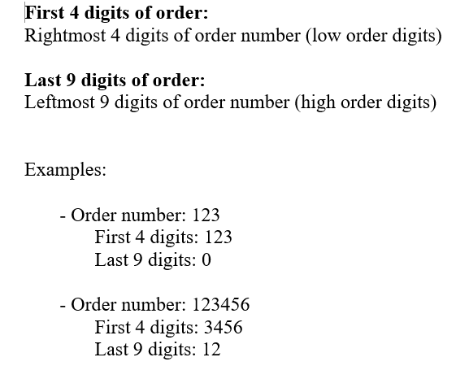
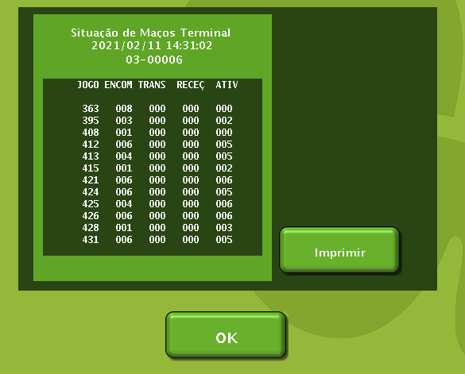
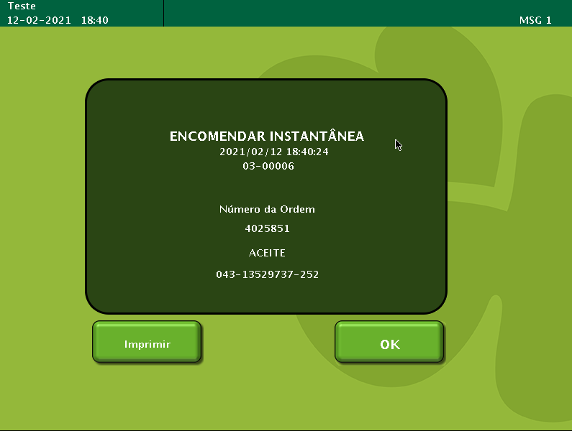

 |  |  |  |  |  |  |  |  | First 4 digits: 5848
 |  |  |  |  |  |  |  |  | Last 9 digits: 0402

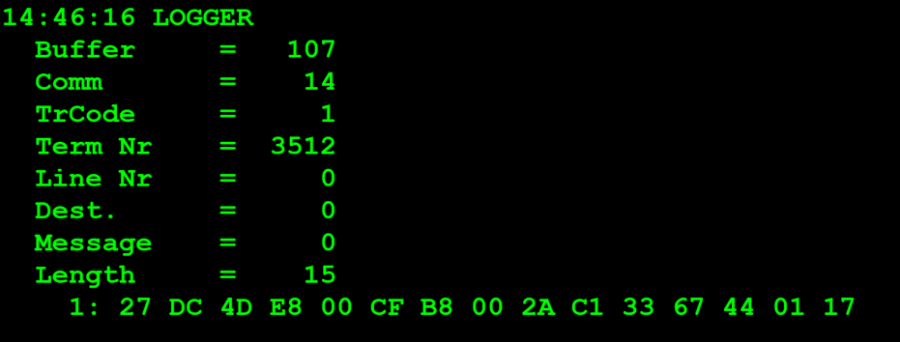
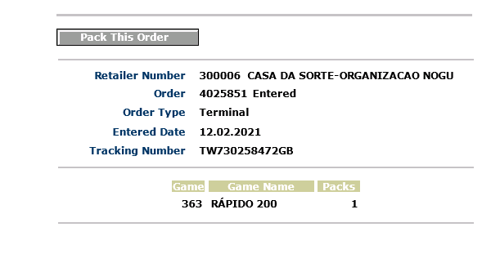
TestByte |  | Size | Field Contents
Start | End
1 | 1 | 1 | Control | Sequence | 27 | Control=0010 Sequence=0000 | 2 0 | Control -> x10 - Application Message Sequence -> 0
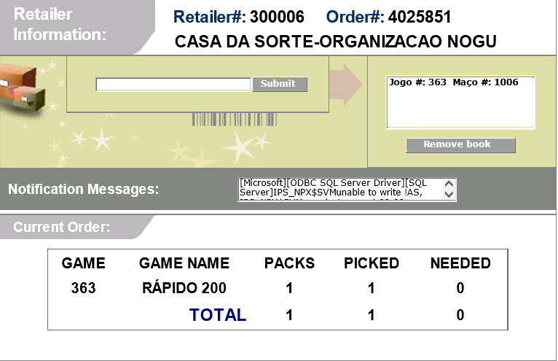
2 | 2 | 1 | Type = 13 | Subtype = 12 | DC | Type=1101 Subtype=1100 | Type=13 Subtype=12 | Type = 13 Subtype = 12
3 | 4 | 2 | Checksum |  | 4D E8
5 | 7 | 3 | Time Stamp (seconds since midnight) |  | 00 CF B8 |  | 53176 | 14:46:16
8 | 9 | 2 | Julian Date (3 digits, unsigned) |  | 00 2A |  | 42 | 31+11=42
10 | 12 | 3 | External Serial Number (8 digits, unsigned) |  | C1 33 67 |  | 1266 1607 | 1266 1607
13 | 13 | 1 | Check Digits (3 digits, unsigned) |  | 44 |  | 68 | 068
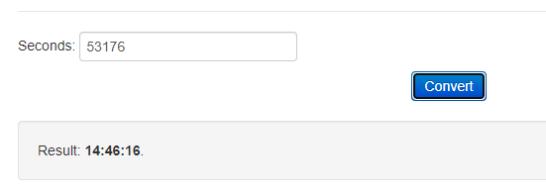
14 | 14 | 1 | Result Code 1 (see below) |  | 01 |  | 1 | Error
15 | 15 | 1 | Result Code 2 |  | 17 |  | 23 | Invalid Order Status
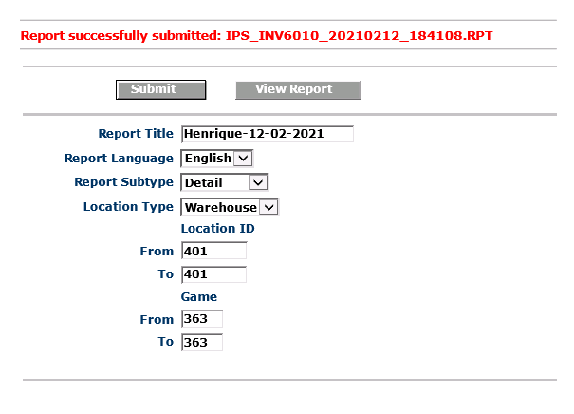

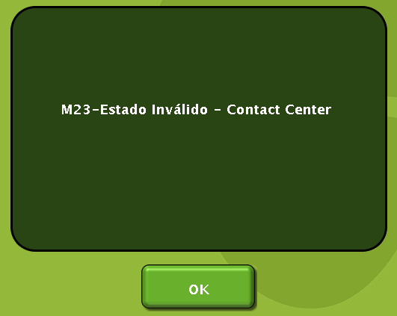

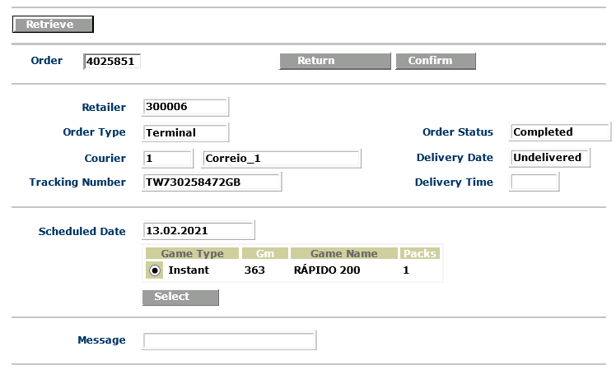

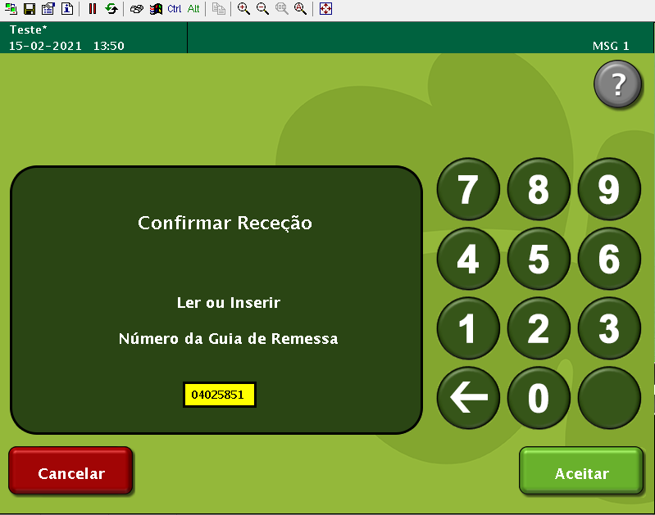

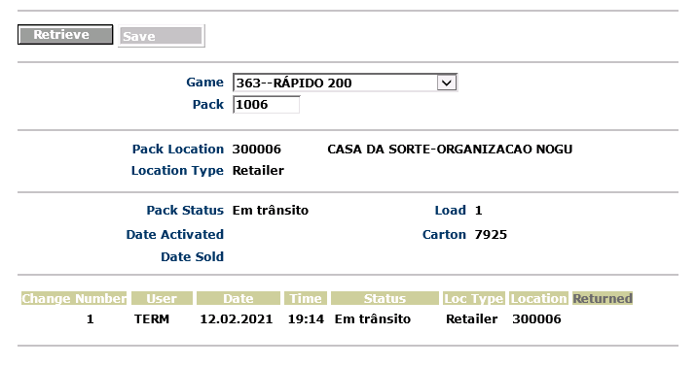

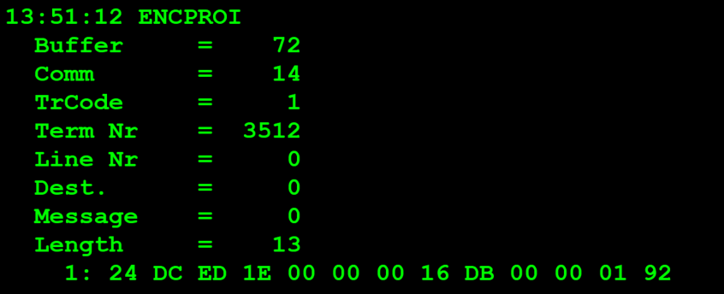

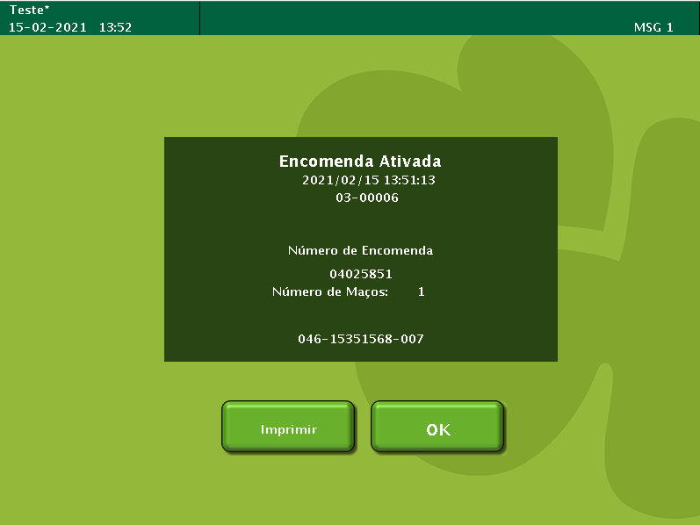

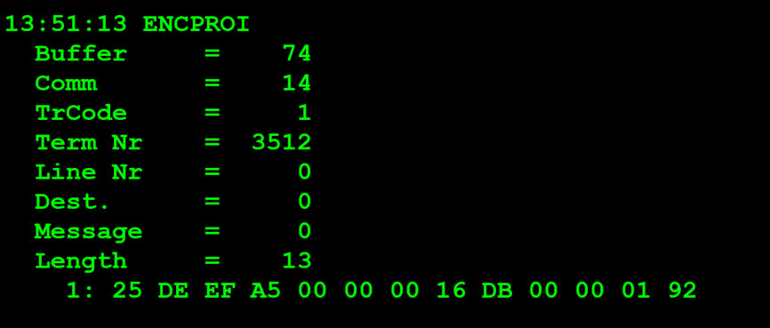
TestByte |  | Size | Field Contents
Start | End
1 | 1 | 1 | Control | Sequence | 27 | Control=0010 Sequence=0000 | 2 0 | Control -> x10 - Application Message Sequence -> 0
2 | 2 | 1 | Type = 13 | Subtype = 12 | DC | Type=1101 Subtype=1100 | Type=13 Subtype=12 | Type = 13 Subtype = 12
3 | 4 | 2 | Checksum |  | 4D E8
5 | 7 | 3 | Time Stamp (seconds since midnight) |  | 00 CF B8 |  | 53176 | 14:46:16
8 | 9 | 2 | Julian Date (3 digits, unsigned) |  | 00 2A |  | 42 | 31+11=42
10 | 12 | 3 | External Serial Number (8 digits, unsigned) |  | C1 33 67 |  | 1266 1607 | 1266 1607
13 | 13 | 1 | Check Digits (3 digits, unsigned) |  | 44 |  | 68 | 068
14 | 14 | 1 | Result Code 1 (see below) |  | 01 |  | 1 | Error
15 | 15 | 1 | Result Code 2 |  | 17 |  | 23 | Invalid Order Status

